Cover
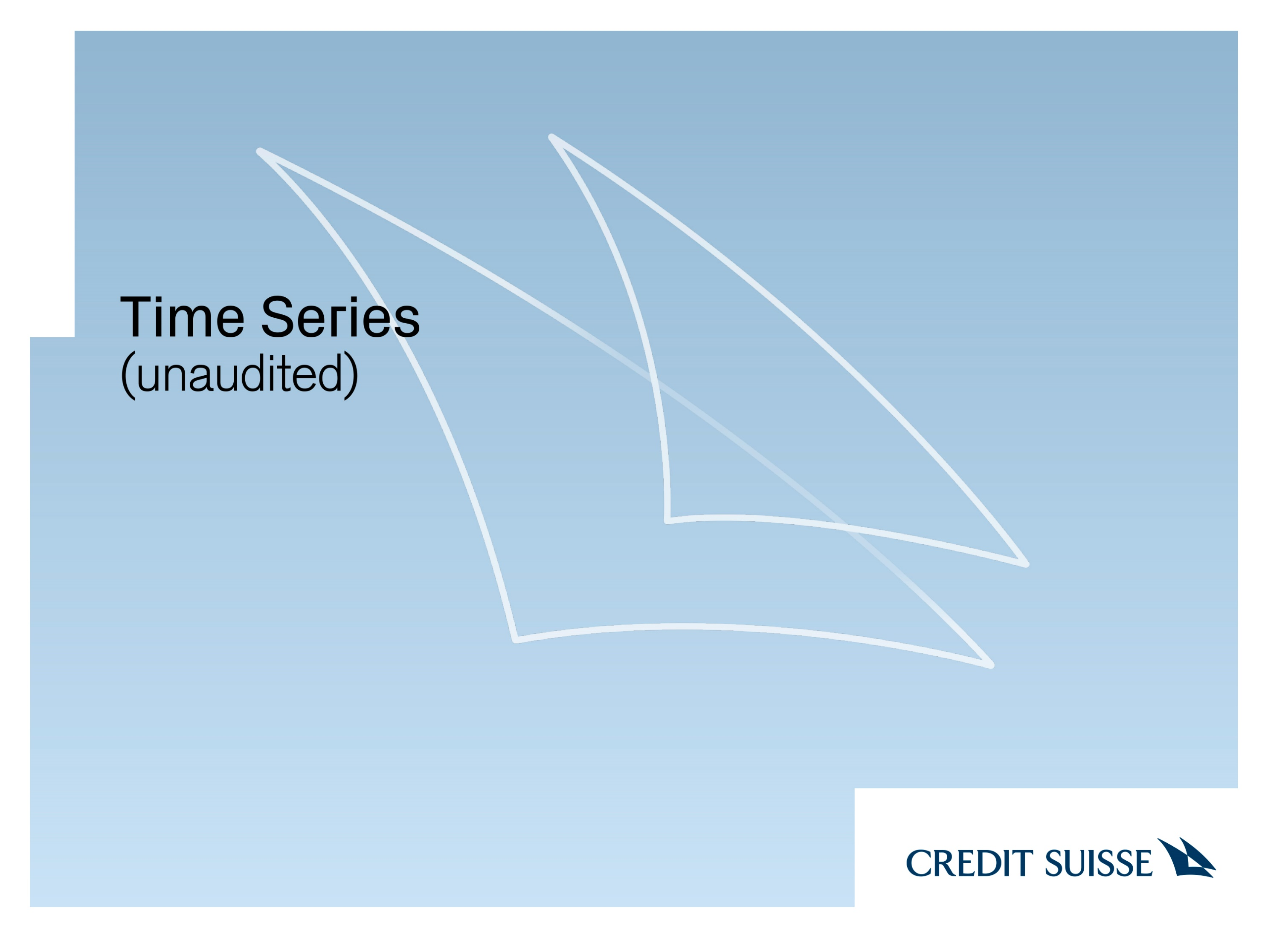

August 31, 2023 This document provides certain preliminary unaudited financial information for the second quarter of 2023 and the first half of 2023 that is derived from management accounts and based on the information that Credit Suisse has available to it at the time of publication. Credit Suisse’s financial information is subject to change, including as a result of any normal quarterly adjustments in relation to the financial statements as well as any changes in strategic direction of UBS. There can be no assurance that the final results for the second quarter of 2023 and the first half of 2023 will not differ from this information, and any such differences could be material. Credit Suisse expects to publish its 6M23 Financial Report, including financial statements for the six months ended June 30, 2023 and management’s discussion for the period presented, on or about September 29, 2023. Credit Suisse has not finalized its 6M23 Financial Report and Credit Suisse’s independent registered public accounting firm has not completed its review of the condensed consolidated financial statements (unaudited) for the period. Accordingly, any subsequent review may result in changes to the financial information contained in this document.

