Cover


April 24, 2023

Reporting structure
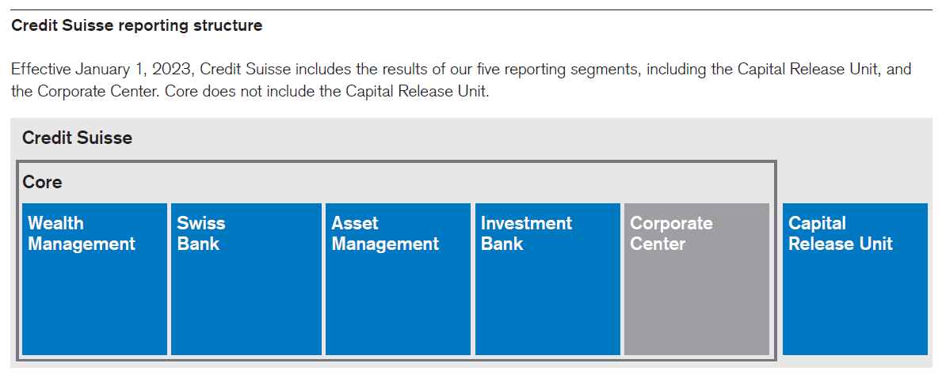

Structure Old - New
